Sheet1
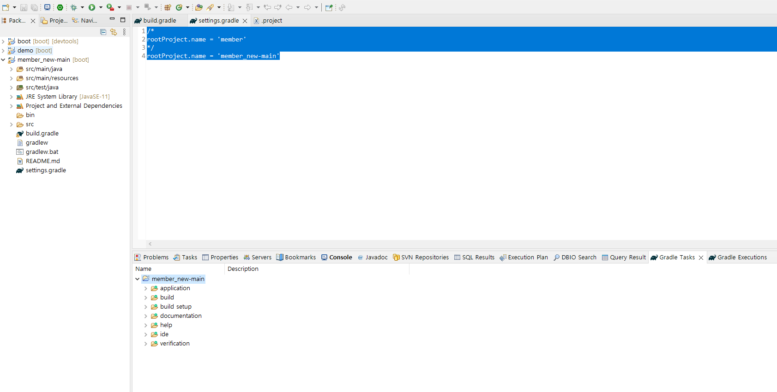

에러메시지
https://kku-jun.tistory.com/11
Description Resource Path Location Type
Project at 'C:\eGovFrameDev-4.2.0-64bit\workspace\
member_new-main' can't be named 'member' because it's located directly under the workspace root.
If such a project is renamed,
Eclipse would move the container directory.
To resolve this problem,
move the project out of the workspace root or configure it to have the name 'member_new-main'.
member_new-main line 0 Gradle Error Marker

https://stackoverflow.com/questions/42354891/synchronize-gradle-projects-with-workspace-failed
Have faced the same issue and sorted by updating 2 files in Project root.
1) settings.gradle file ==>
rootProject.name='ToMyNewProjectName'
2) .project file ==>
<ProjectDescription> <name> ToMyNewProjectName </name> </ProjectDescription>

setting.gradle 파일에서
/*
rootProject.name = 'member'
*/
rootProject.name = 'member_new-main' <- 프로젝트 이름으로 변경

프로젝트 우클릭 > gradle > Refresh Gradle Project를 해준다.

아래 gradle tasks tab에서 프로젝트명에 우클릭후 run default gradle task
gradle task, gradel execution은 show view에서 선택할수 있다.

